Siebel On OCI Discovery
 |  |  | Required Inputs
 |  |  | Optional Inputs
Siebel on OCI Discovery Please rate each statement on a scale of 1 to 5 (1=Strongly agree; 2=Tend to agree, 3=Neither agree nor disagree; 4=Tend to disagree; 5=Strongly disagree; 0=Don't know)
 |  |  | Version 1.0
Generic | Score | Answer | Example
Are you aware of customer’s overall cloud strategy? If yes - Can you, please give details on the customer’s cloud strategy?
What is the driving force/challenge for that project to move to OCI?
Is there an exec sponsor (CIO-level or equal) from the customer who supports the project and who is already committed to do that OCI migration? What's their name?
Is this customer already an OCI consuming account? If yes - When was the OCI consumption start date?
Does the customer have funding/budget/resources made already available for OCI migration?
What is the prefered OCI region for the deployment |  |  | Frankfurt, Dubai, UK…etc.
What are the environments the customer wants to migrate to OCI (Dev/Test/QA/Prod)?
Maximum acceptable downtime for the production migration (please specify in hours) |  |  | 12 hours (8am - 8 Pm on Friday/Public holiday)
How do end users access the application (VPN, Internet, Citrix or other RDP systems)? Will that change in the future? |  |  | VPN, Internet, Citrix or other RDP systems
Can you please provide the current Solution/Network/Security Architecture diagram? |  |  | 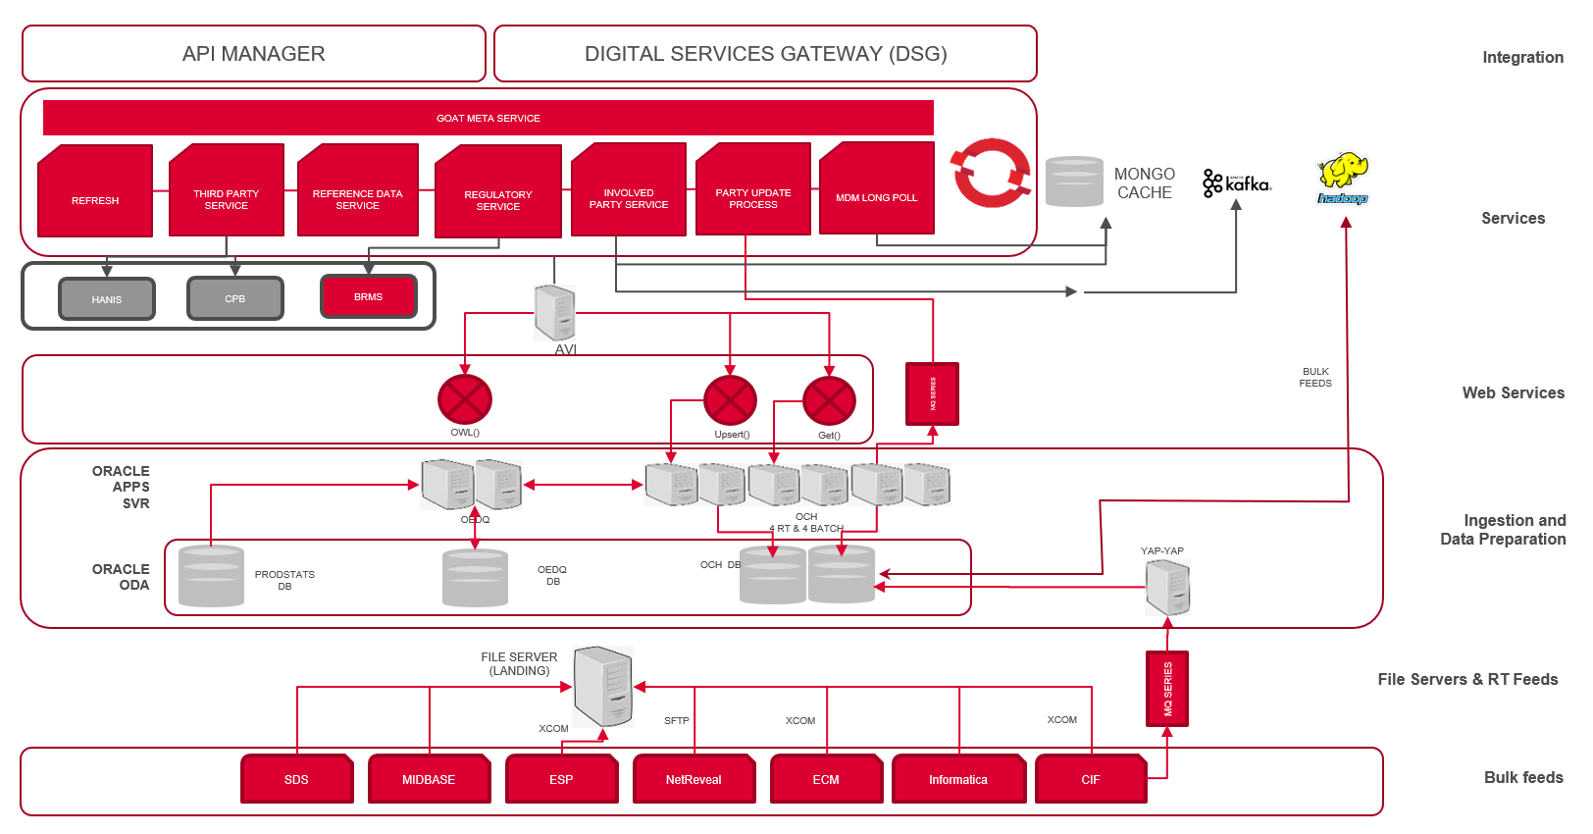 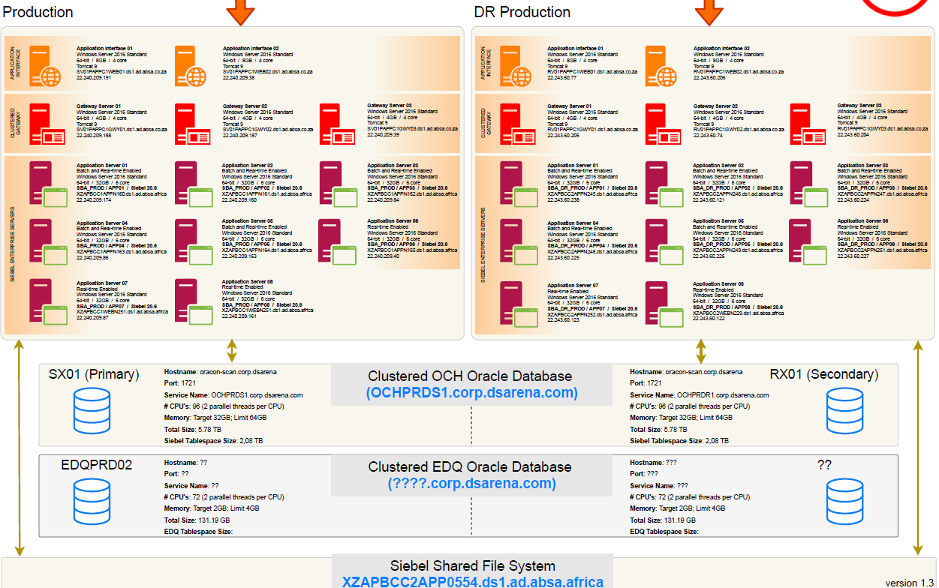
What monitoring features are currently in place for the environment? |  |  | Oracle Enterprise Manager - AMS.
List any 3rd party system integrated with the current environment and give details of any such integration? |  |  | 1. POS 2. FlexCube. 3. Hadoop. 4. BI Publisher 5. EDQ. 6….etc.
Are there any ODI interfaces between Oracle Application and other applications? If yes, please describe in detail. |  |  | 1. Database. 2. csv files 3. Analytics
What is the backup strategy(frequency, increments and targets,...) in place?
Are you aware of any existing issues (performance, stability, scalability) on the existing environment(s)?
Is SSL configured and used? If yes what type (e.g. Full SSL or SSL-off-loading)?
Are there any special security mechanisms implemented in the existing environment?
Is there any DMZ setup or any external tiers?
Is the application hosted internally or at an external datacenter? (If external datacenter what connection type and bandwidth is used?)
What is your current data transfer/migration basis (Daily, Monthly, Quarterly, yearly), migration tools, and what is the average data migration size?
In case your Oracle Application is NOT running on one of the OCI supported OS (CentOS, Oracle Linux 6.x, 7.x, 8.x, Windows Server 2012, 2016, 2019) have you implemented any call to OS functions?
In case your Siebel Application is running on Windows OS, have you implemented any scrpit using Siebel VB Script?
What is the growth rate for your Siebel Database YoY? (if not exact please make a rough estimation)
What’s the current storage architecture and what is the size of Siebel File System for each environment
What is the growth rate for your Siebel Filesystem YoY for each environment

0
1
2
3
4
5

